TestSummary
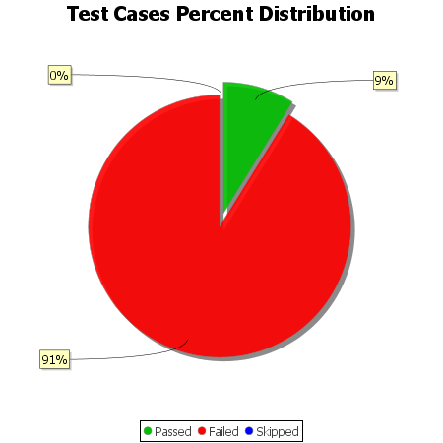
Total Test Cases | 34
Test Cases Passed | 3
Test Cases Failed | 31
Test Cases Skipped | 0

